Amortisation profile II
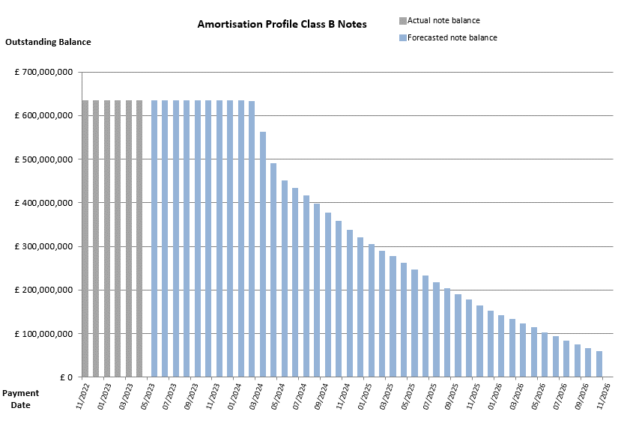
 |  | Publication Date: 21.04.2023
 |  | Period: 03.2023 / Period no. 113

Amortisation profile II

 | 